2025
2025
Diwali Cracker's Sale
9768959048 / 9967955185
प्रविण फटाके

Name:
Mobile:-
Email Id
Address:-
 |  |  |  |  |  |  | Net Amt | 0.00
Sr No | Description | Item Type | Market Rate | Rate 2025 | Per | CONTENTS PER BOX Piece | Qty Required | Total Amt
1 | Roll Caps – Coro | Roll | 140 | 100 | 1 Box | 10 Roll |  | 0 | 1 | .jpg | 1.jpg
2 | Roll Caps – Standard | Roll | 160 | 150 | 1 Box | 10 Roll |  | 0 | 2 | .jpg | 2.jpg
3 | 9 cm Sparklers sai baba | Sparklers | 150 | 120 | 1 Packet | 100 Pcs |  | 0 | 3 | .jpg | 3.jpg
4 | 12 Cm Electric sparklers (10 pcs) | Sparklers | 400 | 350 | Unit | 10 Box 100pc |  | 0 | 4 | .jpg | 4.jpg
5 | 12 Cm Colour sparklers(10 pcs) | Sparklers | 450 | 400 | Unit | 10 Box 100pc |  | 0 | 5 | .jpg | 5.jpg
6 | 15 Cm Electric Sparklers (10 pcs) | Sparklers | 550 | 550 | Unit | 10 Box 100pc |  | 0 | 6 | .jpg | 6.jpg
7 | 15 Cm Colour Sparklers (10 pcs) | Sparklers | 650 | 600 | Unit | 10 Box 100pc |  | 0 | 7 | .jpg | 7.jpg
8 | Flower Pots medium – Coro (small Size) | Flower Pot | 150 | 100 | 1 Box | 10 Pcs |  | 0 | 8 | .jpg | 8.jpg
9 | Flower Pots Small – Standard (small Size) | Flower Pot | 180 | 120 | 1 Box | 10 Pcs |  | 0 | 9 | .jpg | 9.jpg
10 | Flower Pots Big – Coro (medium size) | Flower Pot | 220 | 160 | 1 Box | 10 Pcs |  | 0 | 10 | .jpg | 10.jpg
11 | Flower Pots Big – Standard (medium size) | Flower Pot | 250 | 200 | 1 Box | 10 Pcs |  | 0 | 11 | .jpg | 11.jpg
12 | Flower Pots Ashoka – Coro | Flower Pot | 280 | 250 | 1 Box | 10 Pcs |  | 0 | 12 | .jpg | 12.jpg
13 | Flower Pot Special - Coro | Flower Pot | 290 | 220 | 1 Box | 10 Pcs |  | 0 | 13 | .jpg | 13.jpg
14 | Flower Pot Special - Standard | Flower Pot | 350 | 270 | 1 Box | 10 Pcs |  | 0 | 14 | .jpg | 14.jpg
15 | Flower Pots Super Giant | Flower Pot | 380 | 320 | 1 Box | 10 Pcs |  | 0 | 15 | .jpg | 15.jpg
16 | Flower Pot Giant – Standard | Flower Pot | 750 | 550 | 1 Box | 10 Pcs |  | 0 | 16 | .jpg | 16.jpg
17 | Flower Pot Colour Pinjore Big | Flower Pot | 300 | 220 | 1 Box | 10 Pcs |  | 0 | 17 | .jpg | 17.jpg
18 | Flower Pot Colour Pinjore Deluxe | Flower Pot | 600 | 400 | 1 Box | 10 Pcs |  | 0 | 18 | .jpg | 18.jpg
19 | Flower Pot Colour Pinjore Super Deluxe | Flower Pot | 800 | 480 | 1 Box | 10 Pcs |  | 0 | 19 | .jpg | 19.jpg
20 | Tri Colour millenium standard. 5 pc | Flower Pot | 750 | 600 | 1 Box | 5 Pcs |  | 0 | 20 | .jpg | 20.jpg
21 | Jai ho - Millenium - 5 Pc | Flower Pot | 650 | 500 | 1 Box | 5 Pcs |  | 0 | 21 | .jpg | 21.jpg
22 | Mini Pearl (5 pcs Crackling Fountain) – Gudiya | Flower Pot | 400 | 270 | 1 Box | 5 Pcs |  | 0 | 22 | .jpg | 22.jpg
23 | Tim Tim - Gudiya | Flower Pot | 500 | 340 | 1 Box | 5 Pcs |  | 0 | 23 | .jpg | 23.jpg
24 | Zamin Chakkar Big - 10 Piece (small Size) | Zamin Chakkar | 120 | 80 | 1 Box | 10 Pcs |  | 0 | 24 | .jpg | 24.jpg
25 | Zamin Chakkar Big - 10 Piece Standard (small Size) | Zamin Chakkar | 140 | 80 | 1 Box | 10 Pcs |  | 0 | 25 | .jpg | 25.jpg
26 | Zamin Chakkar Big - 25 Piece pack –Coro | Zamin Chakkar | 250 | 170 | 1 Box | 25 Pcs |  | 0 | 26 | .jpg | 26.jpg
27 | Zamin Chakkar Big - 25 Piece pack –Standard | Zamin Chakkar | 280 | 200 | 1 Box | 25 Pcs |  | 0 | 27 | .jpg | 27.jpg
28 | Zamin Chakkar Asoka – Coro (medium) | Zamin Chakkar | 160 | 120 | 1 Box | 10 Pcs |  | 0 | 28 | .jpg | 28.jpg
29 | Zamin Chakkar Asoka – Standard | Zamin Chakkar | 200 | 140 | 1 Box | 10 Pcs |  | 0 | 29 | .jpg | 29.jpg
30 | Zamin Chakkar Deluxe - Coro | Zamin Chakkar | 300 | 250 | 1 Box | 10 Pcs |  | 0 | 30 | .jpg | 30.jpg
31 | Zamin Chakkar Deluxe – Standard | Zamin Chakkar | 450 | 300 | 1 Box | 10 Pcs |  | 0 | 31 | .jpg | 31.jpg
32 | Music Chakkar ( Whistling Wheel) 5 pc | Zamin Chakkar | 400 | 300 | 1 Box | 10 Pcs |  | 0 | 32 | .jpg | 32.jpg
33 | Bijlee - Arasan (50 Piece) | Chorsa | 75 | 50 | Packet | 50 Pcs |  | 0 | 33 | .jpg | 33.jpg
34 | 28 Taj Electric Chorsa | Chorsa | 40 | 30 | Packet | 1 Pcs |  | 0 | 34 | .jpg | 34.jpg
35 | 28 Giant | Chorsa | 60 | 45 | Packet | 1 Pcs |  | 0 | 35 | .jpg | 35.jpg
36 | 20 Deluxe – Taj | Chorsa | 70 | 60 | Packet | 1 Pcs |  | 0 | 36 | .jpg | 36.jpg
37 | 24 Don Deluxe – Taj | Chorsa | 140 | 100 | Packet | 1 Pcs |  | 0 | 37 | .jpg | 37.jpg
38 | 28 Deluxe – Taj | Chorsa | 160 | 120 | Packet | 1 Pcs |  | 0 | 38 | .jpg | 38.jpg
39 | 3 1/2" Lady cracker – | Chorsa | 450 | 300 | Packet | 10 Pcs |  | 0 | 39 | .jpg | 39.jpg
40 | 4" Lady cracker – | Chorsa | 550 | 420 | Packet | 5 Pcs |  | 0 | 40 | .jpg | 40.jpg
41 | Two Sound Crackers | Chorsa | 70 | 50 | Packet | 5 Pcs |  | 0 | 41 | .jpg | 41.jpg
42 | Three Sound Crackers | Chorsa | 120 | 100 | Packet | 5 Pcs |  | 0 | 42 | .jpg | 42.jpg
43 | 28 x 10 Yali – red green | Chorsa | 250 | 200 | 1 Packet | 10 Pcs |  | 0 | 43 | .jpg | 43.jpg
44 | Magic Pencil Foils- Small – | Pencil | 100 | 70 | 1 Box | 10 Pcs |  | 0 | 44 | .jpg | 44.jpg
45 | Pencil 12" Candle | Pencil | 180 | 130 | 1 Box | 10 Pcs |  | 0 | 45 | .jpg | 45.jpg
46 | Multi Col Candles - standard | Pencil | 200 | 150 | 1 Box | 10 Pcs |  | 0 | 46 | .jpg | 46.jpg
47 | Rassi small 4" | Pencil | 150 | 120 | 1 Box | 10 Pcs |  | 0 | 47 | .jpg | 47.jpg
48 | Whistling Pipe Coro | Pencil | 200 | 180 | 1 Box |  |  | 0 | 48 | .jpg | 48.jpg
49 | Empton Rocket Baby Rocket –small | Rocket | 150 | 80 | 1 Box | 10 Pcs |  | 0 | 49 | .jpg | 49.jpg
50 | Bomb Rocket – | Rocket | 150 | 120 | 1 Box | 10 Pcs |  | 0 | 50 | .jpg | 50.jpg
51 | Topaz Rocket | Rocket | 200 | 150 | 1 Box | 10 Pcs |  | 0 | 51 | .jpg | 51.jpg
52 | Colour Rocket - Coro | Rocket | 190 | 150 | 1 Box | 10 Pcs |  | 0 | 52 | .jpg | 52.jpg
53 | 2 Sound Rocket - Coro | Rocket | 300 | 280 | 1 Box |  |  | 0 | 53 | .jpg | 53.jpg
54 | Navrang Rocket /Ziti wala Rocket | Rocket | 400 | 320 | 1 Box |  |  | 0 | 54 | .jpg | 54.jpg
55 | Bomb Gaijini | Bomb | 120 | 100 | 1 Box | 10 Pcs |  | 0 | 55 | .jpg | 55.jpg
56 | Volcano | Bomb | 150 | 140 | 1 Box | 10 Pcs |  | 0 | 56 | .jpg | 56.jpg
57 | Terkhaeda Reg Bomb | Bomb | 150 | 95 | 1 Box | 10 Pcs |  | 0 | 57 | .jpg | 57.jpg
58 | 1000 Wala Garland | Lar | 400 | 350 | Box |  |  | 0 | 58 | .jpg | 58.jpg
59 | 1000 Wala Garland | Lar | 450 | 450 | Box |  |  | 0 | 59 | .jpg | 59.jpg
60 | 2000 Wala Garland | Lar | 850 | 750 | Box |  |  | 0 | 60 | .jpg | 60.jpg
61 | 2000 Wala Garland | Lar | 1000 | 900 | Box |  |  | 0 | 61 | .jpg | 61.jpg
62 | 5000 wala Garland -Gyan | Lar | 2500 | 2500 | Box |  |  | 0 | 62 | .jpg | 62.jpg
63 | Golden Whistle (5 pcs) - Std | Flower Pot | 300 | 250 | Box | 5 Pcs |  | 0 | 63 | .jpg | 63.jpg
64 | Fancy Fountain: Bird of Paradise (5 col Peacock) | Flower Pot | 400 | 340 | Box | 5 Pcs |  | 0 | 64 | .jpg | 64.jpg
65 | Gold coins (Gold Glittering) | Flower Pot | 350 | 290 | Box | 10 Pcs |  | 0 | 65 | .jpg | 65.jpg
66 | Dazzling Wheel (2 in 1 Chkr and Fnt) | Zamin Chakkar | 350 | 300 | Box |  |  | 0 | 66 | .jpg | 66.jpg
67 | Chitput – Coro | Chitput | 120 | 90 | Box | 10 Pcs |  | 0 | 67 | .jpg | 67.jpg
68 | Chitput -Mahavilla | Chitput | 100 | 70 | Box | 10 Pcs |  | 0 | 68 | .jpg | 68.jpg
69 | Bing Bong (Disco Light) (6pc) | Novelty | 100 | 80 | Box | 10 Pcs |  | 0 | 69 | .jpg | 69.jpg
70 | Cartoon | Novelty | 200 | 150 | Box | 25 Pcs |  | 0 | 70 | .jpg | 70.jpg
71 | Serpent Big Naag goli | Novelty | 60 | 50 | Box | 10 Pcs |  | 0 | 71 | .jpg | 71.jpg
72 | Jumper (6 pieces jumps like frog) – | Novelty | 120 | 90 | Box | 10 Pcs |  | 0 | 72 | .jpg | 72.jpg
73 | Color Butterfly – Coro | Novelty | 240 | 150 | Box | 5 Pcs |  | 0 | 73 | .jpg | 73.jpg
74 | Color Butterfly – Standard | Novelty | 300 | 270 | Box | 5 Pcs |  | 0 | 74 | .jpg | 74.jpg
75 | Paanch Awathar (Five Function) – | Aerial Shots | 300 | 260 | 1 Packet | 5 Pcs |  | 0 | 75 | .jpg | 75.jpg
76 | Platinium Drone 5 pcs | Novelty | 250 | 200 | 1 Packet | 5 Pcs |  | 0 | 76 | .jpg | 76.jpg
77 | Fire Birds Coro - helicopter | Novelty | 200 | 180 | 1 Packet | 5 pcs |  | 0 | 78 | .jpg | 78.jpg
78 | 7 Colour 7 Shot | Aerial Shots | 450 | 400 | Box | 10 Pcs |  | 0 | 79 | .jpg | 79.jpg
79 | 77 Cracling Shot | Aerial Shots | 500 | 450 | Box | 10 Pcs |  | 0 | 80 | .jpg | 80.jpg
80 | 12 Colour 12 Shot – Coro | Aerial Shots | 400 | 380 | Box |  |  | 0 | 81 | .jpg | 81.jpg
81 | 25 Shot | Aerial Shots | 900 | 850 | Box |  |  | 0 | 82 | .jpg | 82.jpg
82 | 60 Shot Wide Angle | Aerial Shots | 1500 | 1450 | Box |  |  | 0 | 83 | .jpg | 83.jpg
83 | Terkheda 2" Fancy Single | Aerial Shots | 150 | 110 | Box |  |  | 0 | 84 | .jpg | 84.jpg
84 | Terkheda 2" Fancy Double | Aerial Shots | 280 | 220 | Box |  |  | 0 | 85 | .jpg | 85.jpg
85 | 2" Fancy Double | Aerial Shots | 600 | 550 | Piece |  |  | 0 | 86 | .jpg | 86.jpg
86 | 3.25" Fancy double | Aerial Shots | 1500 | 1100 | Piece | 2 Pcs |  | 0 | 87 | .jpg | 87.jpg
87 | 5" 25" height 1pc | Aerial Shots | 1200 | 1000 | Piece |  |  | 0 | 88 | .jpg | 88.jpg
88 | Pop Up (angry Bird) Aapti Bomb small | Novelty | 10 | 10 | Box |  |  | 0 | 89 | .jpg | 89.jpg
89 | Bidi Bomb (10 Pkt) new item | Novelty | 35 | 30 | Box |  |  | 0 | 90 | .jpg | 90.jpg
90 | Hand Shooter- Kanishar (10 Shot) 1pc | Novelty | 1400 | 950 | 1 pc |  |  | 0 | 90 | .jpg | 90.jpg
 |  |  |  |  |  | Total |  | 0
 | Go To Next Worksheet for Pictures
 |  | Happy Diwali
 | Home delivery will be provided Free*
 | Stepping In to 10 Year of service and Provide Standared and Cornation Brand
 | Please Place The Order On Or Before 25 Oct 2025
 | Rates are subject to availability of stock

Picture
Item | Pictures
Roll Caps – Standard | 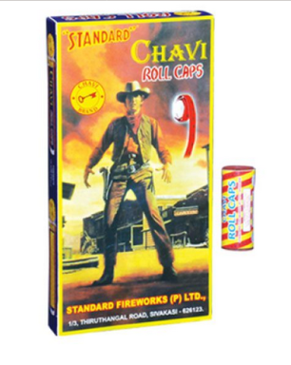
9 cm Sparklers – Baba (Sai Baba) | 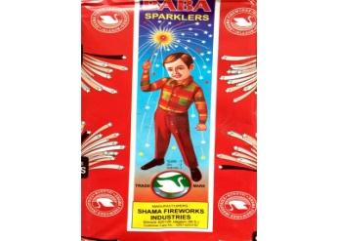
12 cm Sparklers 4 colour - Standard | 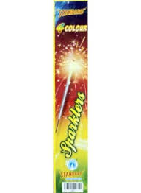
12 cm Electric Sparklers Plain – Coro | 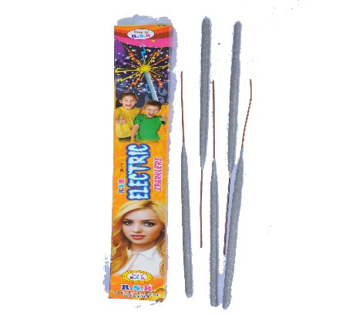
12 cm Crackling Sparklers Colour – Coro | 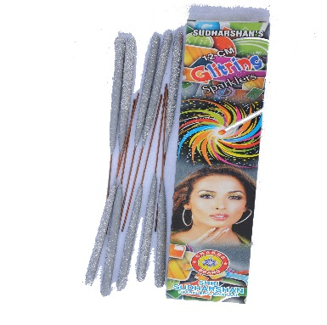
15 cm Plain - | 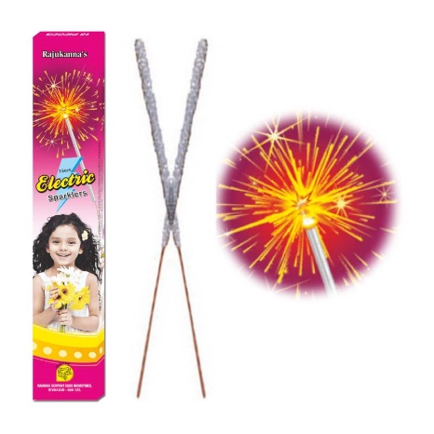
15 cm colour - | 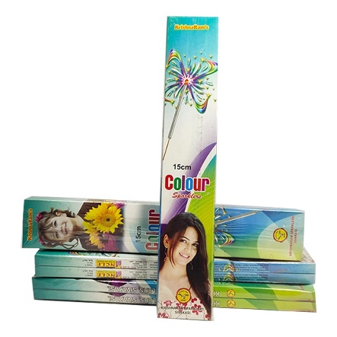
Zamin Chakkar Big - 25 Piece pack – Standard (small size) | 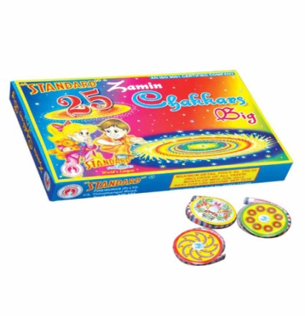
Zamin Chakkar Big - 10 Piece pack – Coro (small size) | 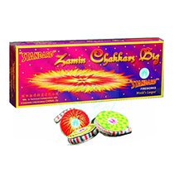
Zamin Chakkar Asoka – Standard | 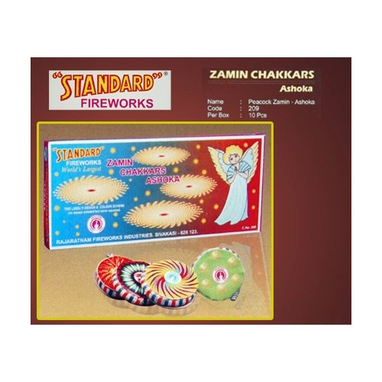
Zamin Chakkar Deluxe – Standard | 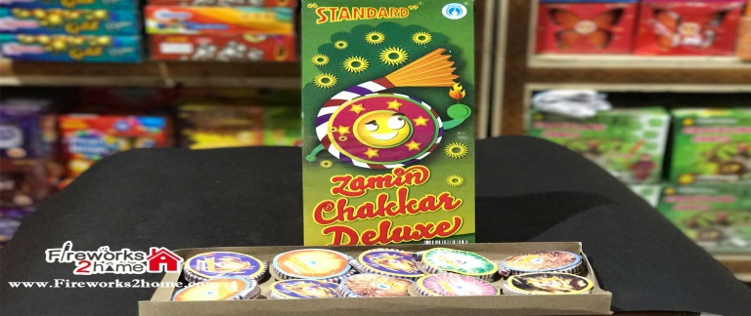
Mini Pearl (5 pcs Crackling Fountain) – Gudiya | 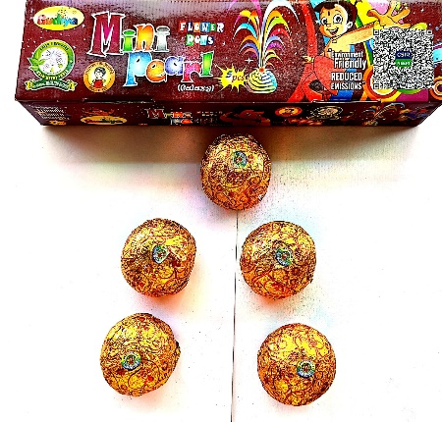
Tim Tim - Gudiya | 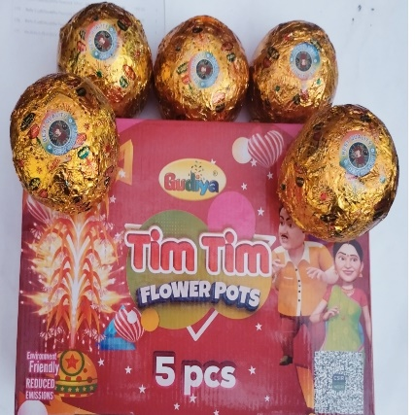
Flower Pots – Standard (small size) | 
Flower Pots Big – Standard (medium size) | 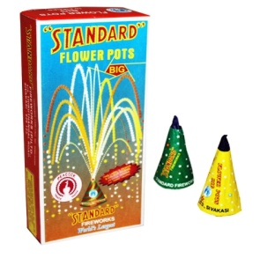
Flower Pots Ashoka – Coro
Flower Pot Giant – Standard
Flower Pot Giant – Coro
Flower Pot Color Pinjore Big – Coro | 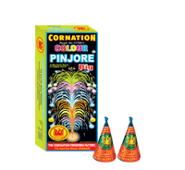
Flower Pot Colour Pinjore Deluxe– Coro
Flower Pot Colour Pinjore Super Deluxe – Coro
Flower Pot Tri Colour Millenium – Standard
Bee Cee Crackers Stripped Bijli | 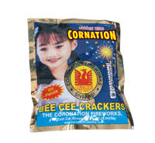
20 x 1000 Taj Electric Chorsa – Coro / Others | 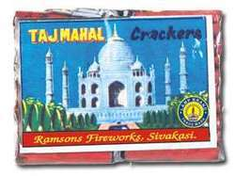
28 x 1000 Taj Electric Chorsa – Coro
28 Giant – Coro | 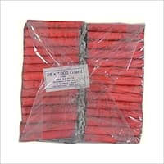
24 Don Deluxe – Coro | 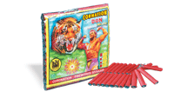
28 Jaipur Palace – Coro
28 Jungle King | 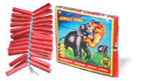
2 1/2" Sparrow Cracker – Coro | 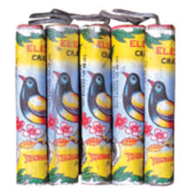
3 1/2" Lakshmi – Coro | 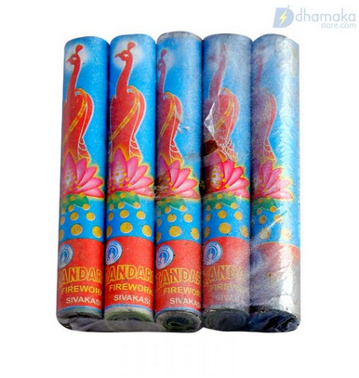
4" Lady cracker – Coro
Two Sound Crackers – Coro | 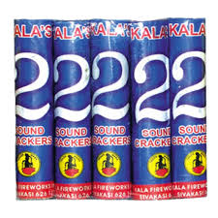
Three Sound Crackers – Coro | 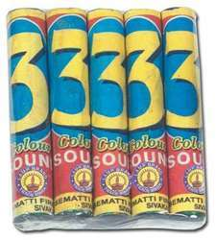
12 x 10 Tukkada – Coro (Lavangee) | 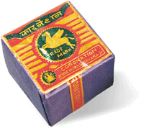
28 x 10 Yali – Coro (Lavangee Red & Green) | 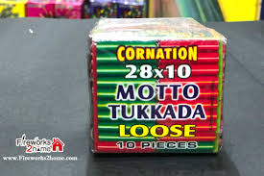
100 Wala – Gyanavel | 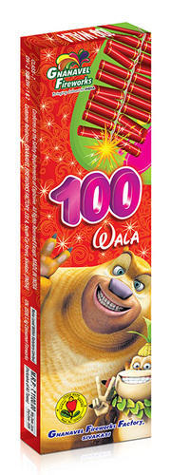
1000 Lar | 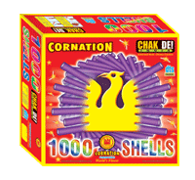
Cartoon – Bull | 
Mini Bullet – Coro | 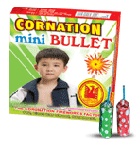
Vulcano – Shama | 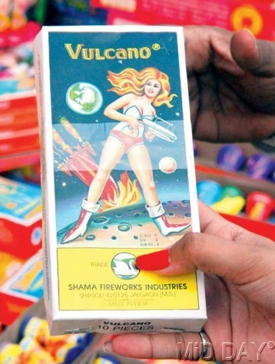
Vishal Green Special Atom Bomb maratha | 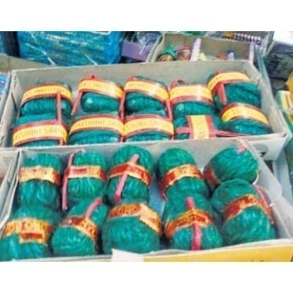
Terkhaeda Reg Bomb | 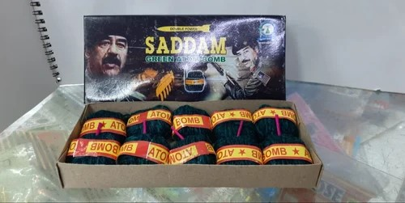
Naag Goli Big – Coro | 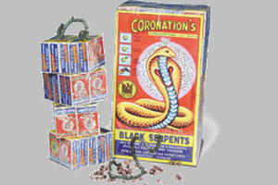
Silver Twinkling 60 Cm – Coro | 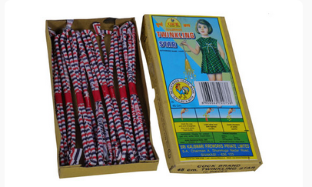
Magic Pencil Foils- Small – Coro | 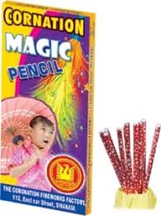
Multi colour Candles - Standard | 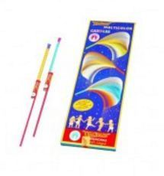
Music Chakar- Whistling Wheel | 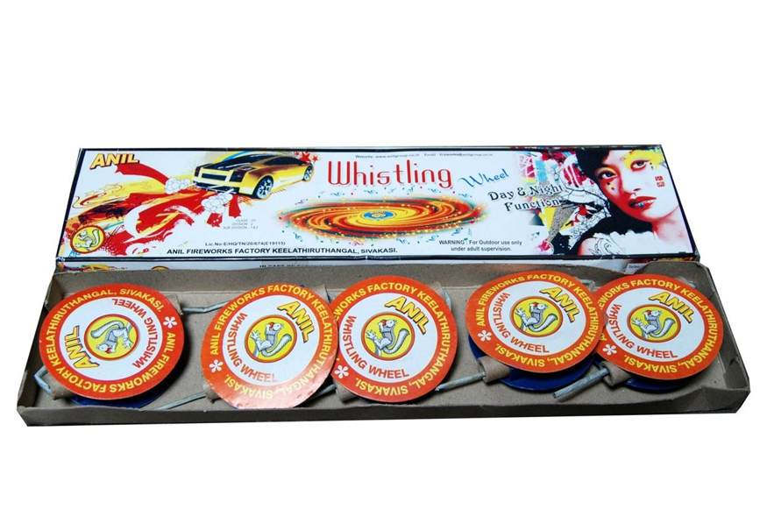
Color Butterfly – Standard | 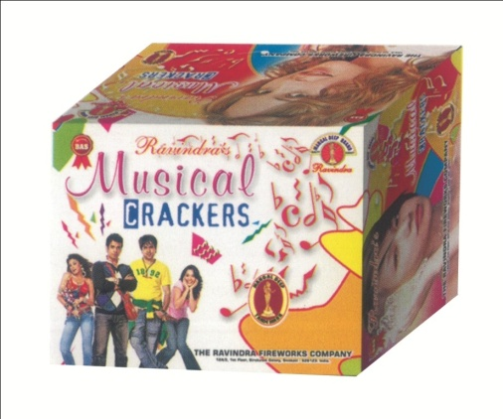 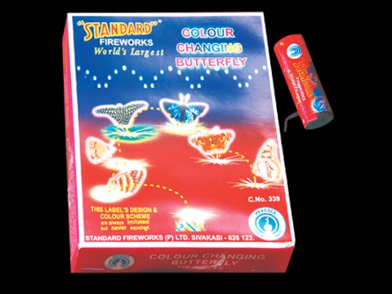
Chitput – Coro | 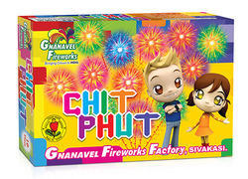
Jumper (6 pieces jumps like frog) – Coro
Kitkat / Chitput – Rehobath | 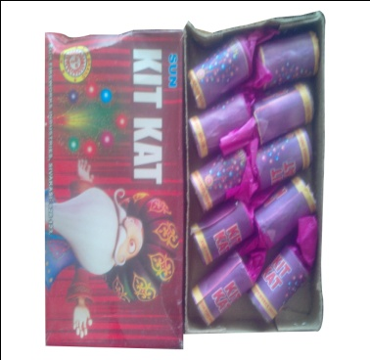
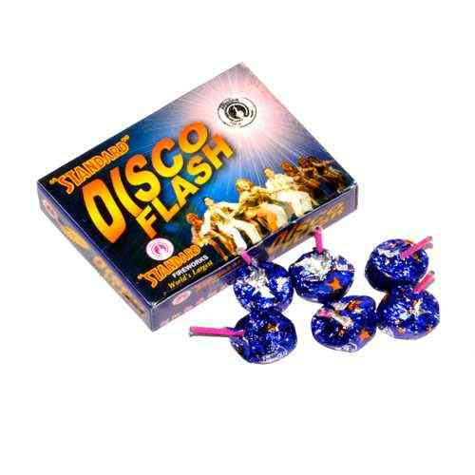 Bing Bong Magic Disco Lights
Paanch Awathar | 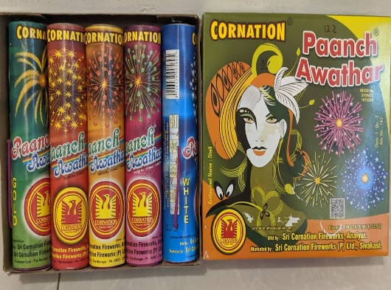
2" Fancy | 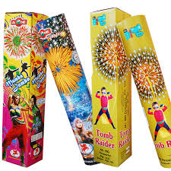
3"Fancy | 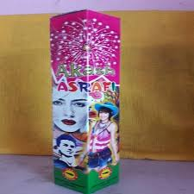
Fancy Fountain: Bird of Paradise (5 col Peacock)
Dazzling Wheel (2 in 1 Chkr and Fnt) | 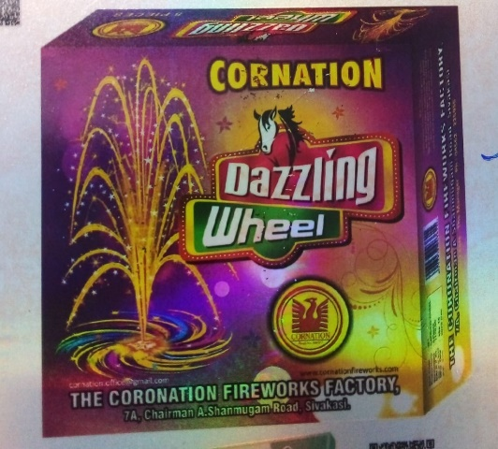
Platinium Drone 5 pcs | 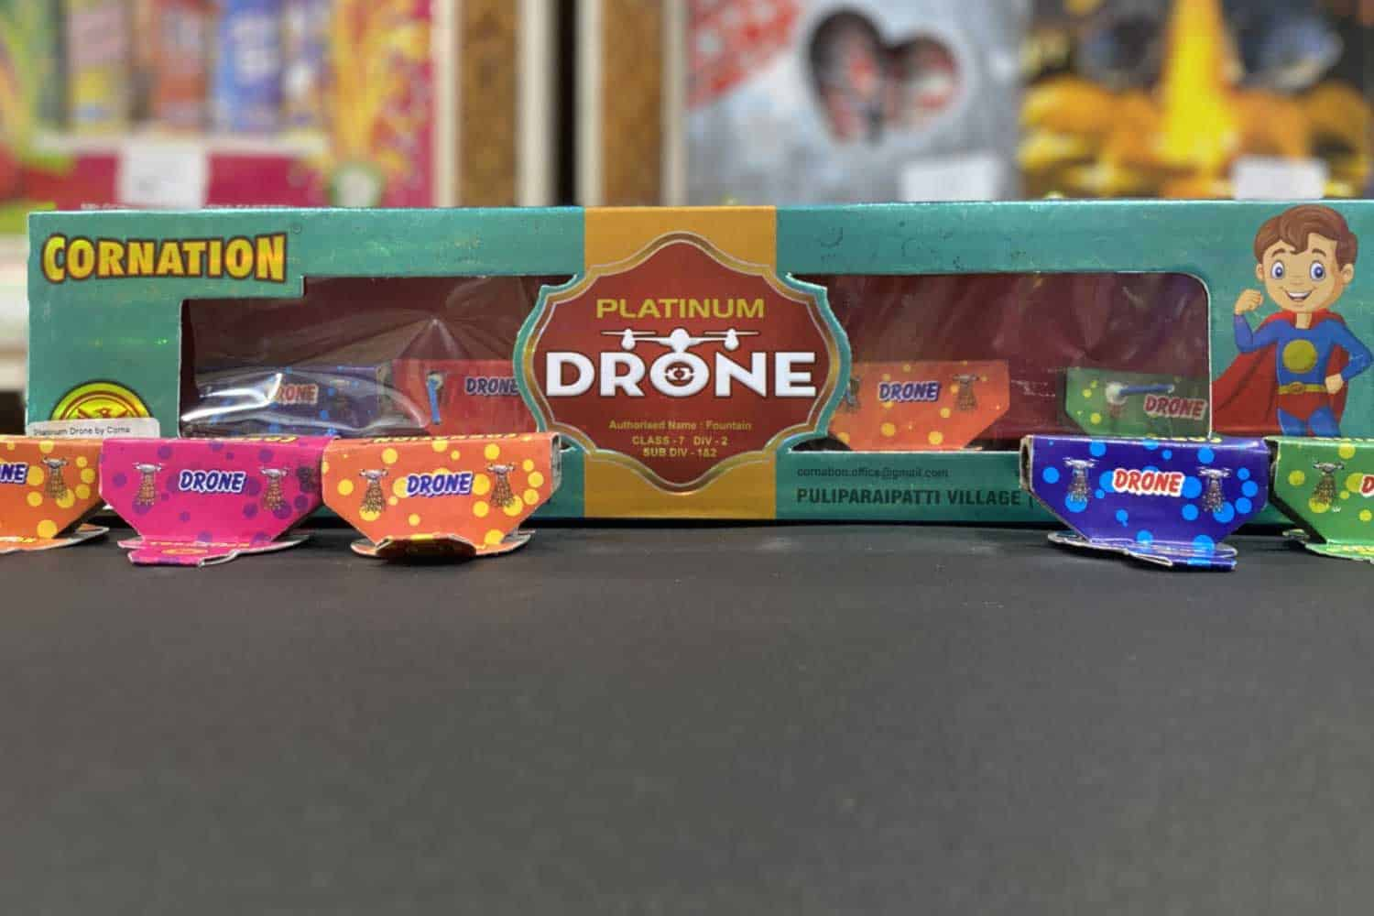
Hand Shooter- Kanishar (10 Shot) 1pc
Fire Birds Coro - helicopter | 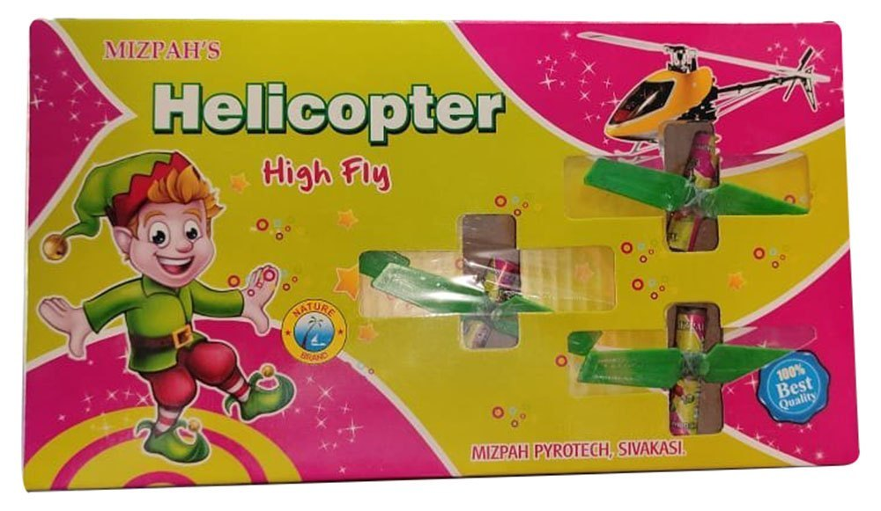

Sheet1
Sr No | Pictures | Description | Item Type | Market Rate | Rate 2025 | Per | CONTENTS PER BOX Piece | Qty Required | Total Amt
1 | 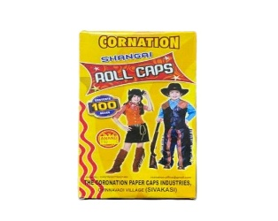 | Roll Caps – Coro | Roll | 140 | 100 | 1 Box | 10 Roll |  | 0
2 |  | Roll Caps – Standard | Roll | 160 | 150 | 1 Box | 10 Roll |  | 0
3 | 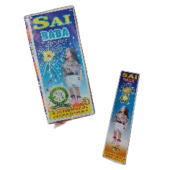 | 9 cm Sparklers sai baba | Sparklers | 150 | 120 | 1 Packet | 100 Pcs |  | 0
4 |  | 12 cm plain - Sparklers | Sparklers | 400 | 350 | Unit | 10 Box 100pc |  | 0
5 |  | 12 cm colour - Sparklers | Sparklers | 450 | 400 | Unit | 10 Box 100pc |  | 0
6 |  | 15 cm Plain - Sparklers | Sparklers | 550 | 550 | Unit | 10 Box 100pc |  | 0
7 |  | 15 cm colour - Sparklers | Sparklers | 650 | 600 | Unit | 10 Box 100pc |  | 0
8 |  | Flower Pots medium – Coro (small Size) | Flower Pot | 150 | 100 | 1 Box | 10 Pcs |  | 0
9 |  | Flower Pots Small – Standard (small Size) | Flower Pot | 180 | 120 | 1 Box | 10 Pcs |  | 0
10 |  | Flower Pots Big – Coro (medium size) | Flower Pot | 220 | 160 | 1 Box | 10 Pcs |  | 0
11 |  | Flower Pots Big – Standard (medium size) | Flower Pot | 250 | 200 | 1 Box | 10 Pcs |  | 0
12 |  | Flower Pots Ashoka – Coro | Flower Pot | 280 | 250 | 1 Box | 10 Pcs |  | 0
13 |  | Flower Pot Special - Coro | Flower Pot | 290 | 220 | 1 Box | 10 Pcs |  | 0
14 |  | Flower Pot Special - Standard | Flower Pot | 350 | 270 | 1 Box | 10 Pcs |  | 0
15 |  | Flower Pots Super Giant | Flower Pot | 380 | 320 | 1 Box | 10 Pcs |  | 0
16 |  | Flower Pot Giant – Standard | Flower Pot | 750 | 550 | 1 Box | 10 Pcs |  | 0
17 |  | Flower Pot Colour Pinjore Big | Flower Pot | 300 | 220 | 1 Box | 10 Pcs |  | 0
18 |  | Flower Pot Colour Pinjore Deluxe | Flower Pot | 600 | 400 | 1 Box | 10 Pcs |  | 0
19 |  | Flower Pot Colour Pinjore Super Deluxe | Flower Pot | 800 | 480 | 1 Box | 10 Pcs |  | 0
20 |  | Tri Colour millenium standard. 5 pc | Flower Pot | 750 | 600 | 1 Box | 5 Pcs |  | 0
21 |  | Jai ho - Millenium - 5 Pc | Flower Pot | 650 | 500 | 1 Box | 5 Pcs |  | 0
22 |  | Mini Pearl (5 pcs Crackling Fountain) – Gudiya | Flower Pot | 400 | 270 | 1 Box | 5 Pcs |  | 0
23 |  | Tim Tim - Gudiya | Flower Pot | 500 | 340 | 1 Box | 5 Pcs |  | 0
24 |  | Zamin Chakkar Big - 10 Piece (small Size) | Zamin Chakkar | 120 | 80 | 1 Box | 10 Pcs |  | 0
25 |  | Zamin Chakkar Big - 10 Piece Standard (small Size) | Zamin Chakkar | 140 | 80 | 1 Box | 10 Pcs |  | 0
26 |  | Zamin Chakkar Big - 25 Piece pack –Coro | Zamin Chakkar | 250 | 170 | 1 Box | 25 Pcs |  | 0
27 |  | Zamin Chakkar Big - 25 Piece pack –Standard | Zamin Chakkar | 280 | 200 | 1 Box | 25 Pcs |  | 0
28 |  | Zamin Chakkar Asoka – Coro (medium) | Zamin Chakkar | 160 | 120 | 1 Box | 10 Pcs |  | 0
29 |  | Zamin Chakkar Asoka – Standard | Zamin Chakkar | 200 | 140 | 1 Box | 10 Pcs |  | 0
30 |  | Zamin Chakkar Deluxe - Coro | Zamin Chakkar | 300 | 250 | 1 Box | 10 Pcs |  | 0
31 |  | Zamin Chakkar Deluxe – Standard | Zamin Chakkar | 450 | 300 | 1 Box | 10 Pcs |  | 0
32 |  | Music Chakkar ( Whistling Wheel) 5 pc | Zamin Chakkar | 400 | 300 | 1 Box | 10 Pcs |  | 0
33 |  | Bijlee - Arasan (50 Piece) | Chorsa | 75 | 50 | Packet | 50 Pcs |  | 0
34 |  | 28 Taj Electric Chorsa | Chorsa | 40 | 30 | Packet | 1 Pcs |  | 0
35 |  | 28 Giant | Chorsa | 60 | 45 | Packet | 1 Pcs |  | 0
36 |  | 20 Deluxe – Taj | Chorsa | 70 | 60 | Packet | 1 Pcs |  | 0
37 |  | 24 Don Deluxe – Taj | Chorsa | 140 | 100 | Packet | 1 Pcs |  | 0
38 |  | 28 Deluxe – Taj | Chorsa | 160 | 120 | Packet | 1 Pcs |  | 0
39 |  | 3 1/2" Lady cracker – | Chorsa | 450 | 300 | Packet | 10 Pcs |  | 0
40 |  | 4" Lady cracker – | Chorsa | 550 | 420 | Packet | 5 Pcs |  | 0
41 |  | Two Sound Crackers | Chorsa | 70 | 50 | Packet | 5 Pcs |  | 0
42 |  | Three Sound Crackers | Chorsa | 120 | 100 | Packet | 5 Pcs |  | 0
43 |  | 28 x 10 Yali – | Chorsa | 250 | 200 | 1 Packet | 10 Pcs |  | 0
44 |  | Magic Pencil Foils- Small – | Pencil | 100 | 70 | 1 Box | 10 Pcs |  | 0
45 |  | Pencil 12" Candle | Pencil | 180 | 130 | 1 Box | 10 Pcs |  | 0
46 |  | Multi Col Candles - standard | Pencil | 200 | 150 | 1 Box | 10 Pcs |  | 0
47 |  | Rassi small 4" | Pencil | 150 | 120 | 1 Box | 10 Pcs |  | 0
48 |  | Whistling Pipe Coro | Pencil | 200 | 180 | 1 Box |  |  | 0
49 |  | Empton Rocket Baby Rocket –small | Rocket | 150 | 80 | 1 Box | 10 Pcs |  | 0
50 |  | Bomb Rocket – | Rocket | 150 | 120 | 1 Box | 10 Pcs |  | 0
51 |  | Topaz Rocket | Rocket | 200 | 150 | 1 Box | 10 Pcs |  | 0
52 |  | Colour Rocket - Coro | Rocket | 190 | 150 | 1 Box | 10 Pcs |  | 0
53 |  | 2 Sound Rocket - Coro | Rocket | 300 | 280 | 1 Box | 10 Pcs |  | 0
54 |  | Ziti wala Rocket | Rocket | 400 | 320 | 1 Box | 10 Pcs |  | 0
55 |  | Bomb Gaijini | Bomb | 120 | 100 | 1 Box | 10 Pcs |  | 0
56 |  | Volcano | Bomb | 150 | 140 | 1 Box | 10 Pcs |  | 0
57 |  | Terkhaeda Reg Bomb | Bomb | 150 | 95 | 1 Box | 10 Pcs |  | 0
58 |  | 1000 Wala Garland | Lar | 400 | 350 | Box | 1 Box |  | 0
59 |  | 1000 Wala Garland | Lar | 450 | 450 | Box | 1 Box |  | 0
60 |  | 2000 Wala Garland | Lar | 850 | 750 | Box | 1 Box |  | 0
 61 |  | 2000 Wala Garland | Lar | 1000 | 900 | Box | 1 Box |  | 0
62 |  | 5000 wala Garland -Gyan | Lar | 2500 | 2500 | Box | 1 Box |  | 0
63 |  | Golden Whistle (5 pcs) - Std | Flower Pot | 300 | 250 | Box | 5 Pcs |  | 0
64 |  | Fancy Fountain: Bird of Paradise (5 col Peacock) | Flower Pot | 400 | 340 | Box | 5 Pcs |  | 0
65 |  | Gold coins (Gold Glittering) | Flower Pot | 350 | 290 | Box | 10 Pcs |  | 0
66 |  | Dazzling Wheel (2 in 1 Chkr and Fnt) | Zamin Chakkar | 350 | 300 | Box | 5 Pcs |  | 0
67 |  | Chitput – Coro | Chitput | 120 | 90 | Box | 10 Pcs |  | 0
68 |  | Chitput -Mahavilla | Chitput | 100 | 70 | Box | 10 Pcs |  | 0
69 |  | Bing Bong (Disco Light) (6pc) | Novelty | 100 | 80 | Box | 10 Pcs |  | 0
70 |  | Cartoon | Novelty | 200 | 150 | Box | 25 Pcs |  | 0
71 |  | Serpent Big Naag goli | Novelty | 60 | 50 | Box | 10 Pcs |  | 0
72 |  | Jumper (6 pieces jumps like frog) – | Novelty | 120 | 90 | Box | 10 Pcs |  | 0
73 |  | Color Butterfly – Coro | Novelty | 240 | 150 | Box | 5 Pcs |  | 0
74 |  | Color Butterfly – Standard | Novelty | 300 | 270 | Box | 5 Pcs |  | 0
75 |  | Paanch Awathar (Five Function) – | Aerial Shots | 300 | 260 | 1 Packet | 5 Pcs |  | 0
76 |  | Platinium Drone 5 pcs | Novelty | 250 | 200 | 1 Packet | 5 Pcs |  | 0
77 |  | Fire Birds Coro - helicopter | Novelty | 200 | 180 | 1 Packet | 5 Pcs |  | 0
78 |  | 7 Colour 7 Shot | Aerial Shots | 450 | 400 | Box | 10 Pcs |  | 0
79 |  | 77 Cracling Shot | Aerial Shots | 500 | 450 | Box |  |  | 0
80 |  | 12 Colour 12 Shot – Coro | Aerial Shots | 400 | 380 | Box |  |  | 0
81 |  | 25 Shot | Aerial Shots | 900 | 850 | Box |  |  | 0
82 |  | 60 Shot Wide Angle | Aerial Shots | 1500 | 1450 | Box |  |  | 0
83 |  | Terkheda 2" Fancy Single | Aerial Shots | 150 | 110 | Box |  |  | 0
84 |  | Terkheda 2" Fancy Double | Aerial Shots | 280 | 220 | Box |  |  | 0
85 |  | 2" Fancy Double | Aerial Shots | 600 | 550 | Piece |  |  | 0
86 |  | 3.25" Fancy double | Aerial Shots | 1500 | 1100 | Piece | 2 Pcs |  | 0
87 |  | 5" 25" height 1pc | Aerial Shots | 1200 | 1000 | Piece |  |  | 0
88 |  | Pop Up (angry Bird) Aapti Bomb small | Novelty | 10 | 10 | Box |  |  | 0
89 |  | Bidi Bomb (10 Pkt) new item | Novelty | 35 | 30 | Box |  |  | 0
90 |  | Hand Shooter- Kanishar (10 Shot) 1pc | Novelty | 1400 | 950 | 1 pc | 1 Pc |  | 0

